Sheet1
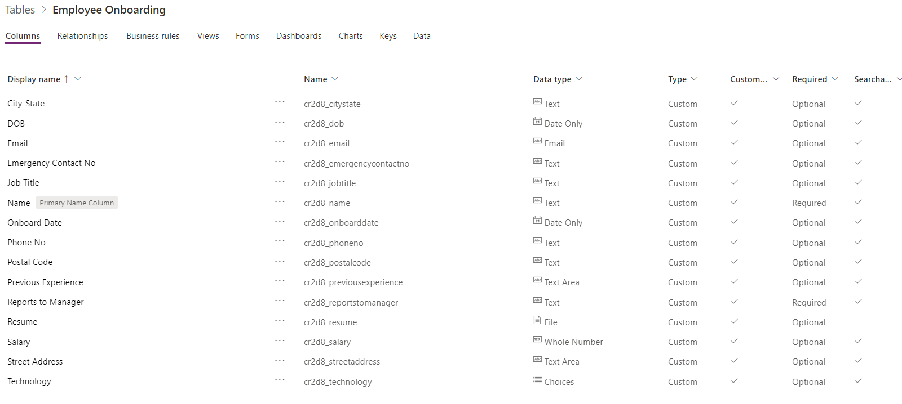
Field Name | Data Type
Name | Text
Email | Email
Phone | Text
Emergency Contact No | Text
DOB | Date Only
Street Address | Text Area
City-State | Text
Postal Code | Text

Previous Experience | Text Area
Reports to Manager | Text
Job Title | Text
Salary | Whole Number
Technology | Choices

Onboard Date | Date Only
Resume | File

